1
 |  | Basic Without Forwarding
23 POINTS |  |  |  | ST/CY | 1 | 2 | 3 | 4 | 5 | 6 | 7 | 8 | 9 | 10 | 11 | 12 | 13 | 14 | 15 | 16 | 17 | 18 | 19 | 20 | 21 | 22 | 23 | 24 | 25 | 26 | 27 | 28 | 29 | 30 | 31
4000 | I0 | MOVC R1,#10 | R1=10 | F | I0 | I1 | I2 | I3 | I4 | I4 | I4 | I5 | I6 | I6 | I6 | I7 | I8 | I9 | I9 | I10 | I11 | I12 | I13 | I14 | I14 | I14 | I15 | I15 | I15 | I16 | I17 | I18
4004 | I1 | MOVC R5,#45 | R5=45 | D/RF |  | I0 | I1 | I2 | I3 | I3 | I3 | I4 | I5 | I5 | I5 | I6 | I7 | I8 | I8 | I9 | I10 | I11 | I12 | I13 | I13 | I13 | I14 | I14 | I14 | I15 | I16 | I17
4008 | I2 | MOVC R10,#230 | R10=230 | EX |  |  | I0 | I1 | I2 |  |  | I3 | I4 |  |  | I5 | I6 | I7 |  | I8 | I9 | I10 | I11 | I12 |  |  | I13 |  |  | I14 | I15 | I16 | I17
4012 | I3 | ADD R6, R10, R5 | R6=275 | MEM |  |  |  | I0 | I1 | I2 |  |  | I3 | I4 |  |  | I5 | I6 | I7 |  | I8 | I9 | I10 |  | I12 |  |  | I13 |  |  | I14 | I15 | I16 | I17
4016 | I4 | MOVC R13,#20 | R13=20 | WB |  |  |  |  | I0 | I1 | I2 |  |  | I3 | I4 |  |  | I5 | I6 | I7 |  | I8 | I9 |  |  | I12 |  |  | I13 |  |  | I14 | I15 | I16 | I17
4020 | I5 | SUB R12,R13,R6 | R12=-255
4024 | I6 | SUBL R12,R6,#10 | R12=265 | R0 | 12 |  | D30 | 20
4028 | I7 | STORE R10,R1,#22 | D[32]=230 | R1 | 224 |  | D32 | 230
4032 | I8 | ADDL R15,R12,#15 | R15=280 | R2 | 504
4036 | I9 | MOVC R0,#12 | R0=12 | R3 | 0
4040 | I10 | LOAD R14,R13,#12 | R14=230 | R4 | 0
4044 | I11 | STORE R13,R13,#10 | D[30]=20 | R5 | 45
4048 | I12 | MUL R10,R0,R13 | R10=240 | R6 | 230
4052 | I13 | AND R1,R10,R14 | R1=224 | R7 | 0 |  |  |  |  |  |  |  |  |  |  |  |  | 12 points - per correct reg and mem value
4056 | I14 | OR R2,R1,R15 | R2=504 | R8 | 0 |  |  |  |  |  |  |  |  |  |  |  |  | 9 points - for all stalls
4060 | I15 | EX-OR R10,R12,R13 | R10=285 | R9 | 0 |  |  |  |  |  |  |  |  |  |  |  |  | 2 point HALT: identify HALT 1 point, flushing 1 point
4064 | I16 | LOAD R6,R13,#12 | R6=230 | R10 | 285
4068 | I17 | HALT |  | R11 | 0
4072 | I18 | AND R13,R6,R5 | Flushed | R12 | 265
4076 | I19 | SUB R9,R0,R14 | Skipped | R13 | 20
 |  |  |  | R14 | 230
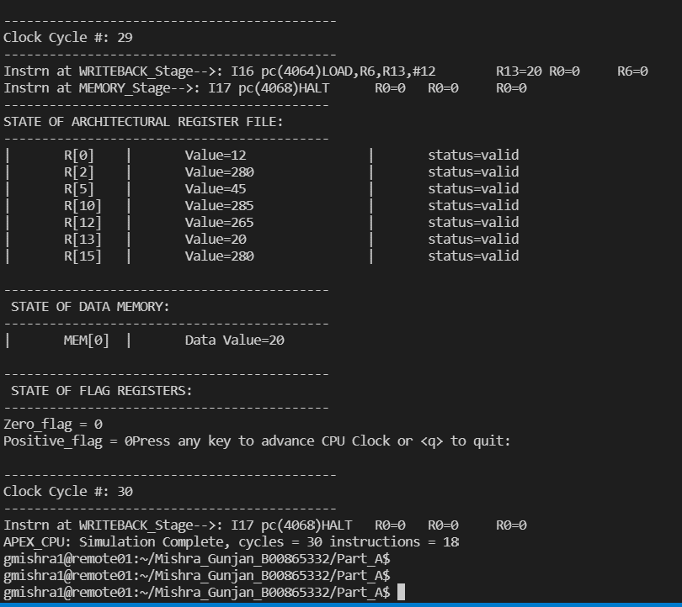
 |  | Stalling | 31 CYCLES | R15 | 280
 |  | Flushed due to HALT
 | S | Stale value

2
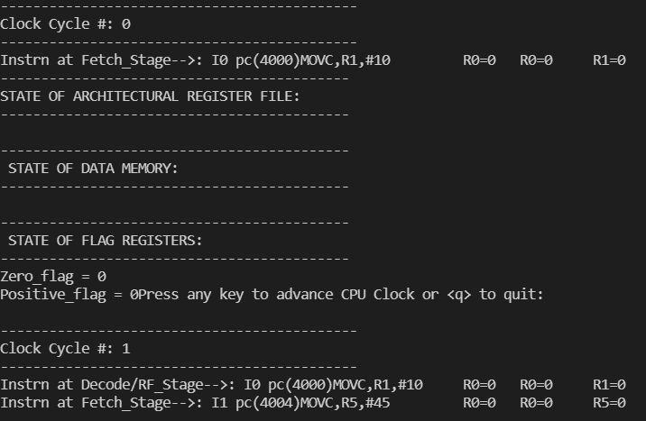
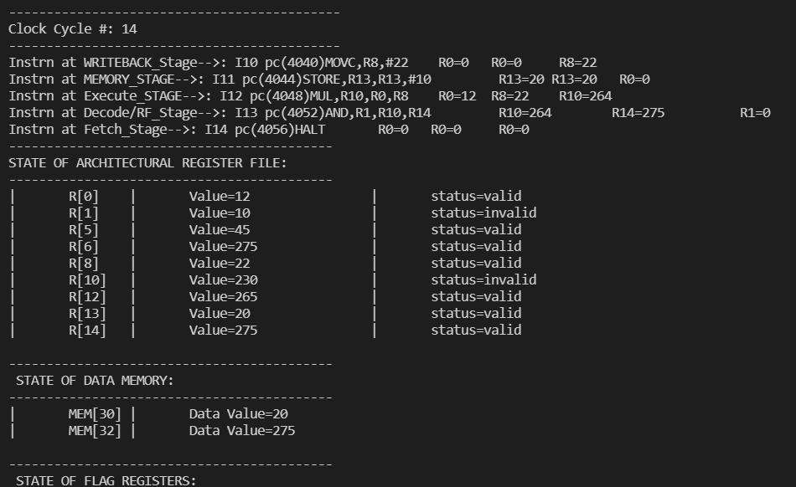
Forwarding from EX , MEM
22 POINTS |  |  |  | ST/CY | 1 | 2 | 3 | 4 | 5 | 6 | 7 | 8 | 9 | 10 | 11 | 12 | 13 | 14 | 15 | 16 | 17 | 18 | 19
4000 | I0 | MOVC R1,#10 | R1=10 | F | I0 | I1 | I2 | I3 | I4 | I5 | I6 | I7 | I8 | I9 | I10 | I11 | I12 | I13 | I14 | I15
4004 | I1 | MOVC R5,#45 | R5=45 | D/RF |  | I0 | I1 | I2 | I3 | I4 | I5 | I6 | I7 | I8 | I9 | I10 | I11 | I12 | I13 | I14
4008 | I2 | MOVC R10,#230 | R10=230 | EX |  |  | I0 | I1 | I2 | I3 | I4 | I5 | I6 | I7 | I8 | I9 | I10 | I11 | I12 | I13 | I14
4012 | I3 | ADD R6,R10,R5 | R6=275 | MEM |  |  |  | I0 | I1 | I2 | I3 | I4 | I5 | I6 | I7 | I8 | I9 | I10 | I11 | I12 | I13 | I14
4016 | I4 | MOVC R13,#20 | R13=20 | WB |  |  |  |  | I0 | I1 | I2 | I3 | I4 | I5 | I6 | I7 | I8 | I9 | I10 | I11 | I12 | I13 | I14
4020 | I5 | SUB R12,R10,R6 | R12=-45
4024 | I6 | SUBL R12,R6,#10 | R12=265 | R0 | 12 |  | D30 | 20
4028 | I7 | STORE R6,R1,#22 | D[32]=275 | R1 | 256 |  | D32 | 275
4032 | I8 | LOAD R14,R13,#12 | R14=275 | R2 | 0 |  |  |  |  |  |  |  |  |  |  |  |  |  |  |  |  |  |  | Points I will get
4036 | I9 | MOVC R0,#12 | R0=12 | R3 | 0 |  |  |  |  |  |  |  |  | 11 points for correct reg and mem values |  |  |  |  |  |  |  |  |  | 11 points for correct Reg and Mem values
4040 | I10 | MOVC R8,#22 | R8=22 | R4 | 0 |  |  |  |  |  |  |  |  | 3 points for forwarding from EX: cycle #5 |  |  |  |  |  |  |  | 2 point HALT and flushing
4044 | I11 | STORE R13,R13,#10 | D[30]=20 | R5 | 45 |  |  |  |  |  |  |  |  | 3 points for forwarding from MEM: cycle #14 |  |  |  |  |  |  |  |  | 11 | ()
4048 | I12 | MUL R10,R0,R8 | R10=264 | R6 | 275 |  |  |  |  |  |  |  |  | 3 points for forwarding from EX: cycle #15
4052 | I13 | AND R1,R10,R14 | R1=256 | R7 | 0 |  |  |  |  |  |  |  |  | 2 point HALT: identify HALT 1 point, flushing 1 point
4056 | I14 | HALT |  | R8 | 22
4060 | I15 | EX-OR R10,R12,R13 | Flushed | R9 | 0
4064 | I16 | LDI R6,R13,#60 | Skipped | R10 | 264
4068 | I17 | MOVC R12,#10 | Skipped | R11 | 0
4072 | I18 | STI R8,R6,#2 | Skipped | R12 | 265
4076 | I19 | SUB R6,R0,R14 | Skipped | R13 | 20
 |  |  |  | R14 | 275
 |  | Flushed due to HALT | 19 CYCLES | R15 | 0
 | S | Stale value |  |  |  |  |  | *Forwarding from EX |  |  |  |  |  |  |  |  |  |  |  |  |  |  |  |  | *Forwarding from mem
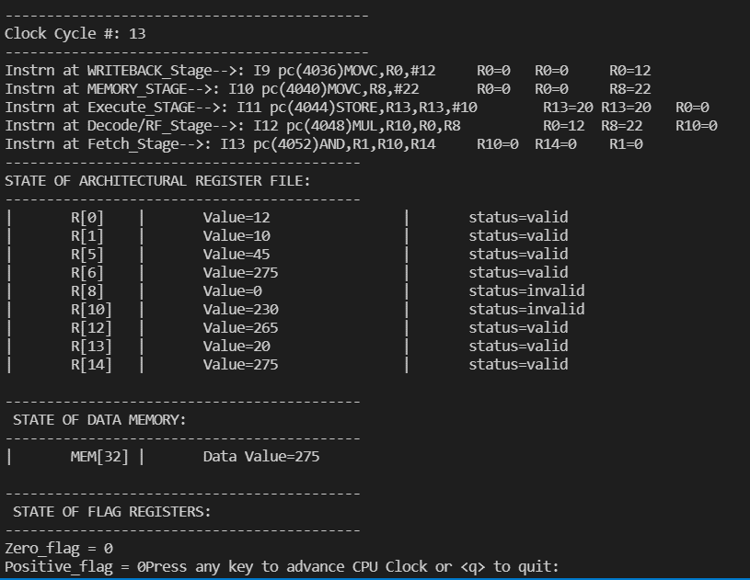
 |  | Forwarding from EX
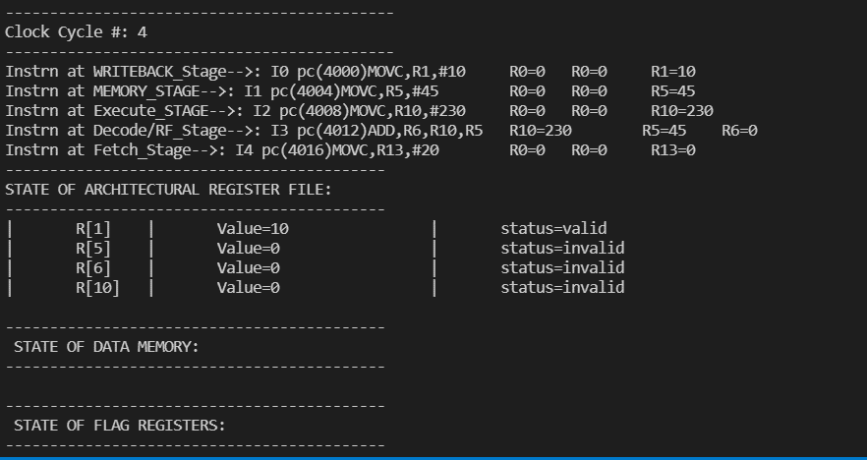
 |  | Forwarding from MEM

3
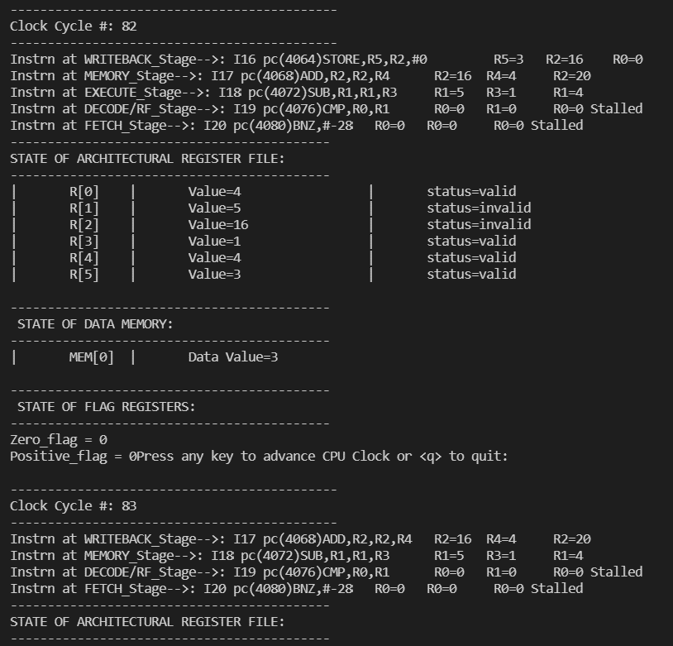
 | Branch Loop Without Forwarding
52 POINTS
4000 | I0 | MOVC,R0,#2 | R0 = 2 |  |  |  |  | R0 | 4 |  | D[4] | 2
4004 | I1 | MOVC,R1,#8 | R1 = 8 |  |  |  |  | R1 | 4 |  | D[8] | 3
4008 | I2 | MOVC,R2,#4 | R2 = 4 |  |  |  |  | R2 | 20 |  | D[12] | 2
4012 | I3 | MOVC,R3,#1 | R3 = 1 |  |  |  |  | R3 | 1 |  | D[16] | 3
4016 | I4 | MOVC,R4,#4 | R4 = 4 |  |  |  |  | R4 | 4
4020 | I5 | STORE,R0,R2,#0 | D[4] <-- 2 | D[8] <-- 2 |  |  |  | R5 | 3
4024 | I6 | ADD,R2,R2,R4 | R2 = 8 | R2 = 12 |  |  |  | R6 | 0
4028 | I7 | SUBL,R1,R1,#0 | R1 = 8 | R1 = 8 |  |  |  | R7 | 0
4032 | I8 | CMP,R2,R1 | Z=1 | Z = 0 |  |  |  | R8 | 0
4036 | I9 | BZ,#-16 | Taken Branch | Not taken Branch |  |  |  | R9 | 0
4040 | I10 | MOVC,R0,#0 | R0 = 0 |  |  |  |  | R10 | 0 |  |  |  |  |  |  |  |  |  |  | points I will get
4044 | I11 | MOVC,R1,#8 | R1 = 8 |  |  |  |  | R11 | 0 |  |  |  |  |  |  |  |  |  |  | 28 for correct cycles
4048 | I12 | MOVC,R2,#4 | R2 = 4 |  |  |  |  | R12 | 0 |  |  |  |  |  |  |  |  |  |  | 2 for halt
4052 | I13 | LOAD,R5,R2,#0 | R5 <-- D[4] = 2 | R5 <-- D[8] = 0 | R5 <-- D[12] = 0 | R5 <-- D[16] = 0 |  | R13 | 0 |  |  |  |  |  |  |  |  |  |  | 12 branch
4056 | I14 | ADD,R5,R5,R0 | R5 = 2 | R5 = 2 | R5 = 2 | R5 = 3 |  | R14 | 0
4060 | I15 | ADD,R0,R0,R3 | R0 = 1 | R0 = 2 | R0 = 3 | R0 = 4 |  | R15 | 0
4064 | I16 | STORE,R5,R2,#0 | D[4] <-- 2 | D[8] <-- 3 | D[12] <-- 2 | D[16] <-- 3
4068 | I17 | ADD,R2,R2,R4 | R2 = 8 | R2 = 12 | R2 = 16 | R2 = 20 |  |  |  |  | 10 points for correct reg and mem values
4072 | I18 | SUB,R1,R1,R3 | R1 = 7 | R1 = 6 | R1 = 5 | R1 = 4 |  |  |  |  | 12 points for correctly handling branch instr
4076 | I19 | CMP,R0,R1 | Z=0 | Z=0 | Z=0 | Z=1 |  |  |  |  | 28 points for correct number of cycles
4080 | I20 | BNZ,#-28 | Taken Branch | Taken Branch | Taken Branch | Not Taken Branch |  |  |  |  | 2 for halt
4086 | I21 | HALT,
4090 | I22 | MOVC,R3,#10

Without Forwarding |  |  | 90 CYCLES
ST/CY | 1 | 2 | 3 | 4 | 5 | 6 | 7 | 8 | 9 | 10 | 11 | 12 | 13 | 14 | 15 | 16 | 17 | 18 | 19 | 20 | 21 | 22 | 23 | 24 | 25 | 26 | 27 | 28 | 29 | 30 | 31 | 32 | 33 | 34 | 35 | 36 | 37 | 38 | 39 | 40 | 41 | 42 | 43 | 44 | 45 | 46 | 47 | 48 | 49 | 50 | 51 | 52 | 53 | 54 | 55 | 56 | 57 | 58 | 59 | 60 | 61 | 62 | 63 | 64 | 65 | 66 | 67 | 68 | 69 | 70 | 71 | 72 | 73 | 74 | 75 | 76 | 77 | 78 | 79 | 80 | 81 | 82 | 83 | 84 | 85 | 86 | 87 | 88 | 89 | 90
F | I0 | I1 | I2 | I3 | I4 | I5 | I6 | I7 | I7 | I8 | I9 | I9 | I9 | I10 | I11 | I5 | I6 | I7 | I8 | I9 | I9 | I9 | I10 | I11 | I12 | I13 | I14 | I14 | I14 | I15 | I15 | I15 | I16 | I17 | I17 | I18 | I19 | I20 | I20 | I20 | I21 | I22 | I13 | I14 | I15 | I15 | I15 | I16 | I17 | I17 | I18 | I19 | I20 | I20 | I20 | I21 | I22 | I13 | I14 | I15 | I15 | I15 | I16 | I17 | I17 | I18 | I19 | I20 | I20 | I20 | I21 | I22 | I13 | I14 | I15 | I15 | I15 | I16 | I17 | I17 | I18 | I19 | I20 | I20 | I20 | I21 | I22
D/RF |  | I0 | I1 | I2 | I3 | I4 | I5 | I6 | I6 | I7 | I8 | I8 | I8 | I9 | I10 |  | I5 | I6 | I7 | I8 | I8 | I8 | I9 | I10 | I11 | I12 | I13 | I13 | I13 | I14 | I14 | I14 | I15 | I16 | I16 | I17 | I18 | I19 | I19 | I19 | I20 | I21 |  | I13 | I14 | I14 | I14 | I15 | I16 | I16 | I17 | I18 | I19 | I19 | I19 | I20 | I21 |  | I13 | I14 | I14 | I14 | I15 | I16 | I16 | I17 | I18 | I19 | I19 | I19 | I20 | I21 |  | I13 | I14 | I14 | I14 | I15 | I16 | I16 | I17 | I18 | I19 | I19 | I19 | I20 | I21
EX |  |  | I0 | I1 | I2 | I3 | I4 | I5 |  | I6 | I7 |  |  | I8 | I9 |  |  | I5 | I6 | I7 |  |  | I8 | I9 | I10 | I11 | I12 |  |  | I13 |  |  | I14 | I15 |  | I16 | I17 | I18 |  |  | I19 | I20 |  |  | I13 |  |  | I14 | I15 |  | I16 | I17 | I18 |  |  | I19 | I20 |  |  | I13 |  |  | I14 | I15 |  | I16 | I17 | I18 |  |  | I19 | I20 |  |  | I13 |  |  | I14 | I15 |  | I16 | I17 | I18 |  |  | I19 | I20 | I21
MEM |  |  |  | I0 | I1 | I2 | I3 | I4 | I5 |  | I6 | I7 |  |  | I8 | I9 |  |  | I5 | I6 | I7 |  |  | I8 | I9 | I10 | I11 | I12 |  |  | I13 |  |  | I14 | I15 |  | I16 | I17 | I18 |  |  | I19 | I20 |  |  | I13 |  |  | I14 | I15 |  | I16 | I17 | I18 |  |  | I19 | I20 |  |  | I13 |  |  | I14 | I15 |  | I16 | I17 | I18 |  |  | I19 | I20 |  |  | I13 |  |  | I14 | I15 |  | I16 | I17 | I18 |  |  | I19 | I20 | I21
WB |  |  |  |  | I0 | I1 | I2 | I3 | I4 | I5 |  | I6 | I7 |  |  | I8 | I9 |  |  | I5 | I6 | I7 |  |  | I8 | I9 | I10 | I11 | I12 |  |  | I13 |  |  | I14 | I15 |  | I16 | I17 | I18 |  |  | I19 | I20 |  |  | I13 |  |  | I14 | I15 |  | I16 | I17 | I18 |  |  | I19 | I20 |  |  | I13 |  |  | I14 | I15 |  | I16 | I17 | I18 |  |  | I19 | I20 |  |  | I13 |  |  | I14 | I15 |  | I16 | I17 | I18 |  |  | I19 | I20 | I21

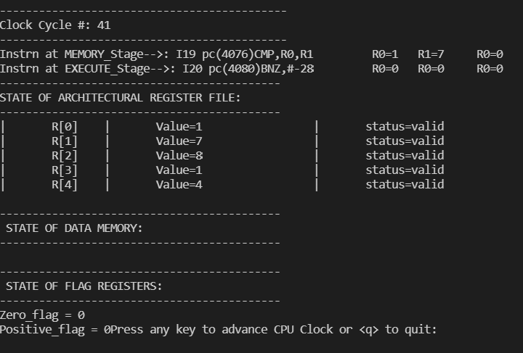
 |  | Stalling due to dependency
 |  | Flushed due to taken Branch

4
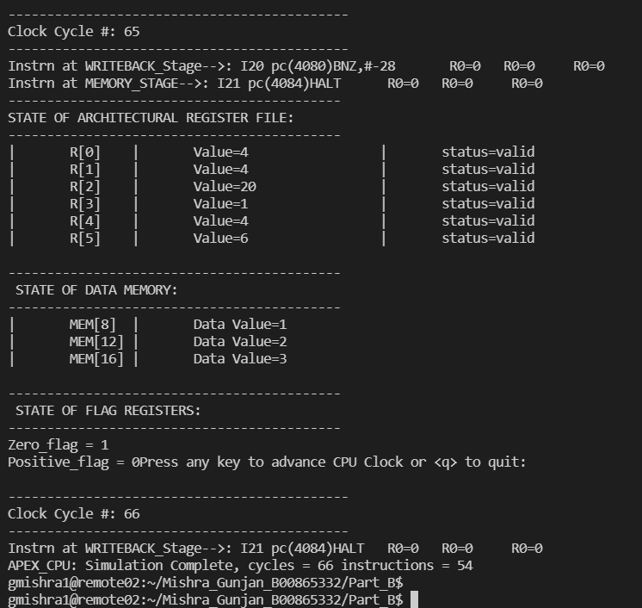
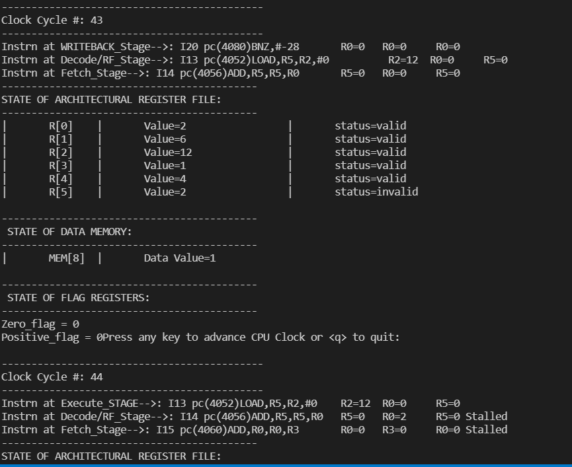
 | Branch Loop With Forwarding
43 POINTS
4000 | I0 | MOVC,R0,#2 | R0 = 2 |  |  |  |  | R0 | 4 |  | D[4] | 2
4004 | I1 | MOVC,R1,#8 | R1 = 8 |  |  |  |  | R1 | 4 |  | D[8] | 3
4008 | I2 | MOVC,R2,#4 | R2 = 4 |  |  |  |  | R2 | 20 |  | D[12] | 2
4012 | I3 | MOVC,R3,#1 | R3 = 1 |  |  |  |  | R3 | 1 |  | D[16] | 3
4016 | I4 | MOVC,R4,#4 | R4 = 4 |  |  |  |  | R4 | 4
4020 | I5 | STORE,R0,R2,#0 | D[4] <-- 2 | D[8] <-- 2 |  |  |  | R5 | 3
4024 | I6 | ADD,R2,R2,R4 | R2 = 8 | R2 = 12 |  |  |  | R6 | 0
4028 | I7 | SUBL,R1,R1,#0 | R1 = 8 | R1 = 8 |  |  |  | R7 | 0
4032 | I8 | CMP,R2,R1 | Z=1 | Z = 0 |  |  |  | R8 | 0
4036 | I9 | BZ,#-16 | Taken Branch | Not taken Branch |  |  |  | R9 | 0
4040 | I10 | MOVC,R0,#0 | R0 = 0 |  |  |  |  | R10 | 0
4044 | I11 | MOVC,R1,#8 | R1 = 8 |  |  |  |  | R11 | 0
4048 | I12 | MOVC,R2,#4 | R2 = 4 |  |  |  |  | R12 | 0
4052 | I13 | LOAD,R5,R2,#0 | R5 <-- D[4] = 2 | R5 <-- D[8] = 0 | R5 <-- D[12] = 0 | R5 <-- D[16] = 0 |  | R13 | 0
4056 | I14 | ADD,R5,R5,R0 | R5 = 2 | R5 = 2 | R5 = 2 | R5 = 3 |  | R14 | 0
4060 | I15 | ADD,R0,R0,R3 | R0 = 1 | R0 = 2 | R0 = 3 | R0 = 4 |  | R15 | 0
4064 | I16 | STORE,R5,R2,#0 | D[4] <-- 4 | D[8] <-- 3 | D[12] <-- 2 | D[16] <-- 3 |  |  |  |  |  |  |  |  |  |  |  |  | Ppoints I should get
4068 | I17 | ADD,R2,R2,R4 | R2 = 8 | R2 = 12 | R2 = 16 | R2 = 20 |  |  |  |  |  |  |  |  |  |  |  |  | 2 for halt
4072 | I18 | SUB,R1,R1,R3 | R1 = 7 | R1 = 6 | R1 = 5 | R1 = 4 |  |  |  | 10 points for correct reg and mem values |  |  |  |  |  |  |  |  | 4 for stalling
4076 | I19 | CMP,R0,R1 | Z=0 | Z=0 | Z=0 | Z=1 |  |  |  | 12 points for correctly handling branch instr |  |  |  |  |  |  |  |  | 10 points for correct reg and mem values
4080 | I20 | BNZ,#-28 | Taken Branch | Taken Branch | Taken Branch | Not Taken Branch |  |  |  | 4 for stalling |  |  |  |  |  |  |  |  | upon branch nstructions flushing properly 12
4086 | I21 | HALT, |  |  |  |  |  |  |  | 15 for forwarding from EX and MEM/ incorrect cycles
4090 | I22 | MOVC,R3,#10 |  |  |  |  |  |  |  | 2 for halt

With Forwarding |  |  | 67 CYCLES
ST/CY | 1 | 2 | 3 | 4 | 5 | 6 | 7 | 8 | 9 | 10 | 11 | 12 | 13 | 14 | 15 | 16 | 17 | 18 | 19 | 20 | 21 | 22 | 23 | 24 | 25 | 26 | 27 | 28 | 29 | 30 | 31 | 32 | 33 | 34 | 35 | 36 | 37 | 38 | 39 | 40 | 41 | 42 | 43 | 44 | 45 | 46 | 47 | 48 | 49 | 50 | 51 | 52 | 53 | 54 | 55 | 56 | 57 | 58 | 59 | 60 | 61 | 62 | 63 | 64 | 65 | 66 | 67
F | I0 | I1 | I2 | I3 | I4 | I5 | I6 | I7 | I8 | I9 | I10 | I11 | I5 | I6 | I7 | I8 | I9 | I10 | I11 | I12 | I13 | I14 | I15 | I15 | I16 | I17 | I18 | I19 | I20 | I21 | I22 | I13 | I14 | I15 | I15 | I16 | I17 | I18 | I19 | I20 | I21 | I22 | I13 | I14 | I15 | I15 | I16 | I17 | I18 | I19 | I20 | I21 | I22 | I13 | I14 | I15 | I15 | I16 | I17 | I18 | I19 | I20 | I21 | I22
D/RF |  | I0 | I1 | I2 | I3 | I4 | I5 | I6 | I7 | I8 | I9 | I10 |  | I5 | I6 | I7 | I8 | I9 | I10 | I11 | I12 | I13 | I14 | I14 | I15 | I16 | I17 | I18 | I19 | I20 | I21 |  | I13 | I14 | I14 | I15 | I16 | I17 | I18 | I19 | I20 | I21 |  | I13 | I14 | I14 | I15 | I16 | I17 | I18 | I19 | I20 | I21 |  | I13 | I14 | I14 | I15 | I16 | I17 | I18 | I19 | I20 | I21
EX |  |  | I0 | I1 | I2 | I3 | I4 | I5 | I6 | I7 | I8 | I9 |  |  | I5 | I6 | I7 | I8 | I9 | I10 | I11 | I12 | I13 |  | I14 | I15 | I16 | I17 | I18 | I19 | I20 |  |  | I13 |  | I14 | I15 | I16 | I17 | I18 | I19 | I20 |  |  | I13 |  | I14 | I15 | I16 | I17 | I18 | I19 | I20 |  |  | I13 |  | I14 | I15 | I16 | I17 | I18 | I19 | I20 | I21
MEM |  |  |  | I0 | I1 | I2 | I3 | I4 | I5 | I6 | I7 | I8 | I9 |  |  | I5 | I6 | I7 | I8 | I9 | I10 | I11 | I12 | I13 |  | I14 | I15 | I16 | I17 | I18 | I19 | I20 |  |  | I13 |  | I14 | I15 | I16 | I17 | I18 | I19 | I20 |  |  | I13 |  | I14 | I15 | I16 | I17 | I18 | I19 | I20 |  |  | I13 |  | I14 | I15 | I16 | I17 | I18 | I19 | I20 | I21
WB |  |  |  |  | I0 | I1 | I2 | I3 | I4 | I5 | I6 | I7 | I8 | I9 |  |  | I5 | I6 | I7 | I8 | I9 | I10 | I11 | I12 | I13 |  | I14 | I15 | I16 | I17 | I18 | I19 | I20 |  |  | I13 |  | I14 | I15 | I16 | I17 | I18 | I19 | I20 |  |  | I13 |  | I14 | I15 | I16 | I17 | I18 | I19 | I20 |  |  | I13 |  | I14 | I15 | I16 | I17 | I18 | I19 | I20 | I21

 |  | Stalling due to LOAD fwding delay
 |  | Flushed due to taken Branch
 |  | Flushed due to taken Branch
 |  | Flushed due to taken Branch

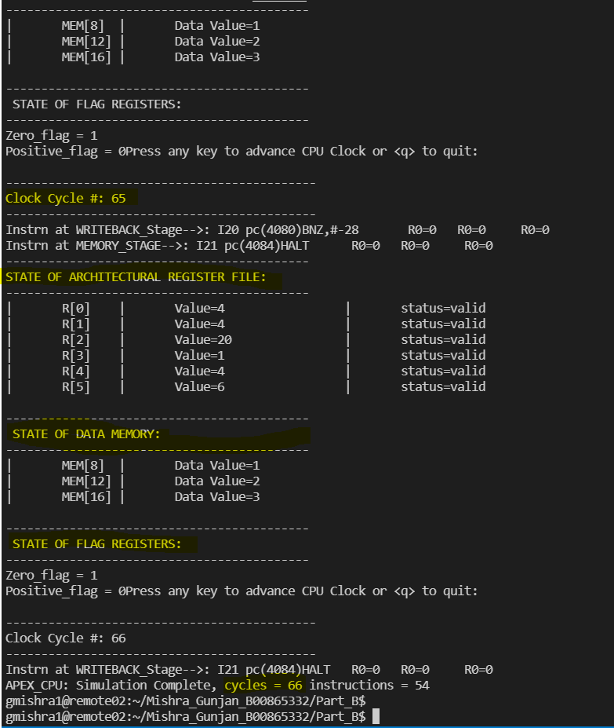
 |  |  |  |  |  |  | Values of registers and Mem |  |  |  |  |  |  |  |  |  | bRanch taken correctly

